RIEPILOGO
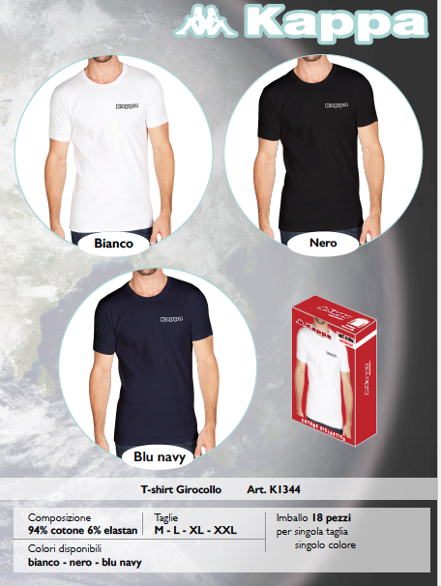
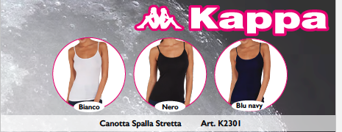
 |  |  |  |  |  |  |  |  |  |  | 54,694
ARTICOLO | DESCRIZIONE | CATEGORY | Family | COLORE | XS | S | M | L | XL | XXL | TOTALE | PEZZI/COLLO
K1212 | BOXER | MAN | Boxer | GRAPE ROYAL |  | 10 | 1 | 1 | 2 | 20 | 34 | 36
K1212 | BOXER | MAN | Boxer | LEMON |  | 10 | 6 | 0 | 3 | 22 | 41 | 36
K1212 | BOXER | MAN | Boxer | MARINA |  | 9 | 0 | 0 | 10 | 20 | 39 | 36
K1213 | BOXER RIGATO | MAN | Boxer | ASS.R.BICO-GRIGIOMED |  |  | 15 | 15 | 0 | 17 | 47 | 36
K1213 | BOXER RIGATO | MAN | Boxer | ASS.R.NAVY-GRIGIOM |  |  | 2 | 8 | 2 | 19 | 31 | 36
K1213 | BOXER RIGATO | MAN | Boxer | ASS.R.ROYAL-ANTRAC |  |  | 8 | 18 | 18 | 13 | 57 | 36
K1233 | BOXER | MAN | Boxer | ASS.BISTRO GREEN |  | 45 | 4 |  |  |  | 49 | 36
K1233 | BOXER | MAN | Boxer | ASS.MALIBU BLUE |  | 43 | 5 |  |  |  | 48 | 36
K1233 | BOXER | MAN | Boxer | ASS.RUBY WINE |  | 14 | 5 |  |  |  | 19 | 36
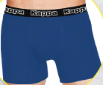
K1271 | BOXER COLOR | MAN | Boxer | NARANJA |  |  | 532 | 1,064 | 1,064 | 532 | 3,192 | 36
K1271 | BOXER COLOR | MAN | Boxer | AZUL REAL |  |  | 532 | 1,064 | 1,064 | 532 | 3,192
K1271 | BOXER COLOR | MAN | Boxer | VERDE MILITAR |  |  | 532 | 1,064 | 1,064 | 532 | 3,192
K1271 | BOXER COLOR | MAN | Boxer | VERDE |  |  | 446 | 892 | 892 | 446 | 2,676 | 36
K1271 | BOXER COLOR | MAN | Boxer | LIGHT SKY |  |  | 446 | 892 | 892 | 446 | 2,676
K1271 | BOXER COLOR | MAN | Boxer | YELLOW LIME |  |  | 446 | 892 | 892 | 446 | 2,676
K1311 | MAGLIA M/M SCOLLO V | MAN | T-shirt | GRIS |  | 80 | 144 | 2,060 | 4 | 376 | 2,664 | 36
K1315 | T-SHIRT M/M SCOLLO V | MAN | T-shirt | GRIGIO UNITO |  | 690 | 288 | 8,481 | 669 | 282 | 10,410 | 36
K1344 | T-SHIRT GIROCOLLO M/M | MAN | T-shirt | BIANCO |  |  | 933 | 790 | 827 | 972 | 3,522 | 18
K1344 | T-SHIRT GIROCOLLO M/M | MAN | T-shirt | BLU NAVY |  |  | 648 | 572 | 629 | 720 | 2,569 | 18
K1344 | T-SHIRT GIROCOLLO M/M | MAN | T-shirt | NERO |  |  | 897 | 809 | 881 | 936 | 3,523 | 18
K2301 | CANOTTA SPALLA STRETTA | WOMAN | Tank | GRIGIO | 44 | 45 | 789 | 1,188 | 0 |  | 2,066 | 36
K2301 | CANOTTA SPALLA STRETTA | WOMAN | Tank | NUDO | 0 | 378 | 0 | 0 | 0 |  | 378 | 36
K2401 | CANOTTA SPALLA LARGA | WOMAN | Tank | GRIGIO | 0 | 1,124 | 1,801 | 1,716 | 877 |  | 5,518 | 36
K2401 | CANOTTA SPALLA LARGA | WOMAN | Tank | NUDO | 2 | 118 | 33 | 0 | 0 |  | 153 | 36
K2501 | MAGLIA M/M GIROCOLLO | WOMAN | T-shirt | GRIGIO | 0 | 34 | 4,435 | 78 | 51 |  | 4,598 | 36
K2601 | MAGLIA M/L GIROCOLLO | WOMAN | T-shirt | GRIGIO MELANGE | 705 | 619 | 0 | 0 | 0 |  | 1,324 | 24

